1. Title Page
Custome Insight Project

Project Name: Customer Insight Project
Date: 3/6/2024
Analyst Name: Kaci Erwin

Contents:
Population Flow
Consistency checks
Wrangling steps
Column derivations
Visualizations/Recommendations

Data citation: “The Instacart Online Grocery Shopping
Dataset 2017”, Accessed from www.instacart.com/datasets/grocery-shopping-2017
via Kaggle on 2/1/2024

*Customer data is fabricated for the purpose of this project

2. Population Flow
Title page

Population flow

Orders_products_combined
Orders_products_merged
Orders_products_all

Total: 32435059
Total: 32434489
Total: 32435059

3. Consistency checks
 |  |  |  | Title page
Consistency checks

Dataset | Missing values | Missing values treatment | Duplicates
orders | 206209 missing entries for 'days since prior order' | missing entries replace with '0' | No dupicates found
products | 16 missing entries for product name | 16 rows removed | 5 duplicated full rows removed
orders_products_prior
customers

4. Wrangling steps
 |  |  |  | Title page
Wrangling steps

Columns dropped | Columns renamed | Columns' type changed | Comment/Reason
orders eval_set column dropped |  |  | eval set not needed
 | orders column 'order_dow' renamed 'order_day_of_week' |  | clarity
 |  | orders columns 'order_id', 'user_id', 'order_number', 'order_day_of_week' changed to string | the data in these columns are text
 | orders column 'order_hour_of_day' changed to 'order_hour' |  | clarity
 |  | products table columns 'aisle_id' and 'department_id' changed to int8 and 'product_id' changed to int32 | decrease memory size
 |  | orders_products columns 'order_id', 'order_number', 'order_day_of_week', 'order_hour', 'days_since_prior_order', 'add_to_cart_order' and 'reordered' changed to int8 and 'user_id' and ' product_id' changed to int32 | decrease memory size
 | Customer 'Surnam' to 'Last Name' |  | clarity
 |  | Customer columns 'user_id' and 'income' to int32, 'Age' and 'n_dependants' to int8 and 'date_joined' to datetime, 'First Name' to str, and 'gender', 'fam_status' and 'STATE' to category. | decrease memory size
Customer columns 'First Name' and 'Last Name' dropped |  |  | Security

5. Column derivations
 |  |  |  | Title page

Column derivations and aggregations
The value counts for the derived variables are listed in the table below

Dataset | New column | Column/s it was derived from | Conditions
ord_prod_full | Region | State | state within Region defined by United States Census Bureau*
ord_prod_full | Shopping Behavior | order hour | early bird: between 5a and 8a night owl: at or after 9p and before 5a regular: all other times
ord_prod_full | Lifestyle | income, fam_status | single, low-income: fam_status = 'single', 'divorced/widowed', or 'living with parents and siblings' and income <= 30000 single, middle-income: fam_status = 'single', 'divorced/widowed', or 'living with parents and siblings' and income > 30000 and <= 80000 single, high-income: fam_status = 'single', 'divorced/widowed', or 'living with parents and siblings' and income > 80000 married, low-income: fam_status = 'married' and income <= 60000 married, middle-income: fam_status = 'married' and income > 60000 and <= 160000 married, high-income: fam_status = 'married' and income > 160000
ord_prod_full | price_range_loc | prices | high-range product: price > 15 mid-range product: price > 5 and <= 15 low-range product: price <= 5
ord_prod_full | Busiest_Days | order_day_of_week | Busiest: order day of week is 0 (Sunday) or 1 (Monday) Regularly busy: order day of week is 2 (Tuesday), 5 (Friday) or 6 (Saturday) Slowest Days: order day of week is 3 (Wednesday) or 4 (Thursday)
ord_prod_full | Busiest _period_of_day | order_hour | most orders: order hour >= 9 and < 17 average orders: order hour is 7 or 8 least orders: order hour <= 6 or ==23
ord_prod_full | loyalty_flag | max_order | New customer: max order <= 10 Regular customer: > 10 and <= 40 Loyal customer: max order > 40
ord_prod_full | spending_flag | spending_mean | high spender: spending mean >= 10 low spender: spending mean < 10
ord_prod_full | frequency_flag | days_since_prior_order | non-frequent: days since prior order median > 20 regular: days since prior order median <= 20 and > 10 frequent: days since prior order median < = 10

*https://simple.wikipedia.org/wiki/List_of_regions_of_the_United_States

6. Visualizations & Recomm.
Title page

Visualisations & Recommendations

Question: The sales team needs to know what the busiest days of the week and hours of the day are (i.e., the days and times with the most orders) in order to schedule ads at times when there are fewer orders.

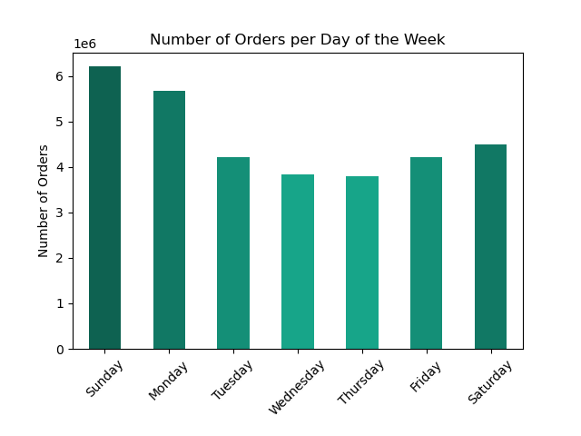


Recommendation: Focus more ad placements on Wednesday and Thursday, as these are the slowest days. Advertising on these days may capture the attention of potential customers who are less likely to be browsing or ordering during the busiest days. Schedule ads primarily during the late night and early morning hours (midnight to 6 a.m.). Since these are the least busy times, it reduces the likelihood of ad saturation during peak ordering hours and may increase visibility among night owls or early risers. While regular ads might be scheduled during slower periods, consider using the busiest periods (Sunday, Monday, and 9 a.m. to 4 p.m.) for special promotions, flash sales, or important reminders. These high-traffic times can be leveraged to grab attention when customer engagement is at its peak.

Question: They also want to know whether there are particular times of the day when people spend the most money, as this might inform the type of products they advertise at these times.

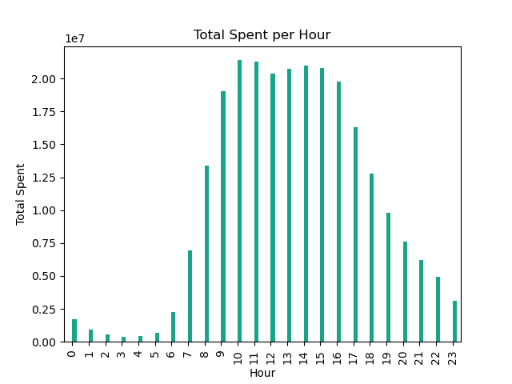

Recommendation: Since people spend the most during the busiest hours, it’s a good strategy to focus on advertising higher-value or premium products during these times. Customers might be more inclined to make larger purchases when they are actively engaged. Leverage these peak hours to roll out limited-time offers, discounts, or bundled deals to encourage higher spending. These promotions can create a sense of urgency and drive more sales.Consider dynamic pricing strategies where prices are adjusted based on demand. Higher demand periods can have slightly higher pricing for certain products, balanced with promotional offers to maintain customer interest.

Question: Instacart has a lot of products with different price tags. Marketing and sales want to use simpler price range groupings to help direct their efforts.

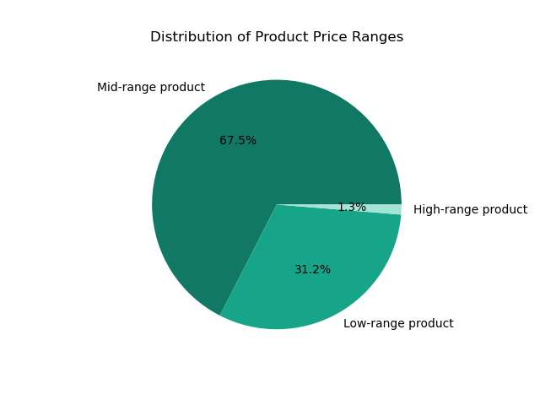

Recommendation: Since the majority of products are mid-range, focus the bulk of marketing efforts on promoting these products. This could involve highlighting the best value-for-money aspects, showcasing popular items, or bundling them with related products. Given a substantial portion of products are low-range, create specific campaigns to target budget-conscious consumers or those looking for everyday items. While high-range products form a small percentage, they can still be significant in terms of revenue. Create exclusive, targeted campaigns for these products. Focus on quality, exclusivity, or luxury aspects to appeal to high-end consumers. Align inventory and stock management with these insights. Ensure a higher stock of mid-range products, considering their popularity and demand.

Question: Are there certain types of products that are more popular than others? The marketing and sales teams want to know which departments have the highest frequency of product orders.

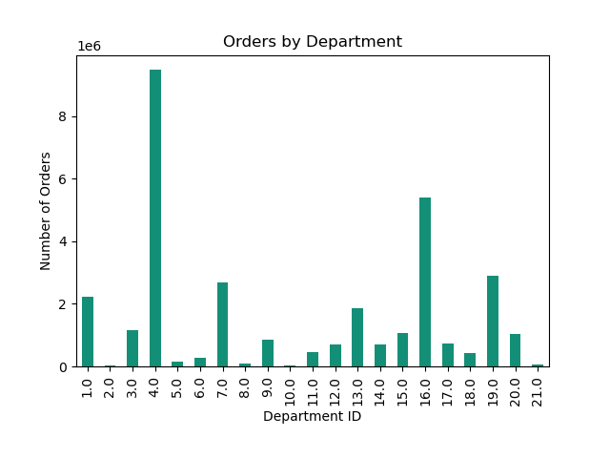

Recommendation: Allocate more marketing resources to promote products from the 'Produce' and 'Dairy' departments, as these are already popular. Create bundled offers that combine popular items from 'Produce' and 'Dairy' with items from lower-selling departments like 'Bulk', 'Alcohol', 'International', and 'Pets'. This can help increase the visibility and sales of less popular items. eevaluate the in-store and online product placement for lower-selling departments.

Question: What’s the distribution among users in regards to their brand loyalty (i.e., how often do they return to Instacart)? Are there differences in ordering habits based on a customer’s loyalty status?

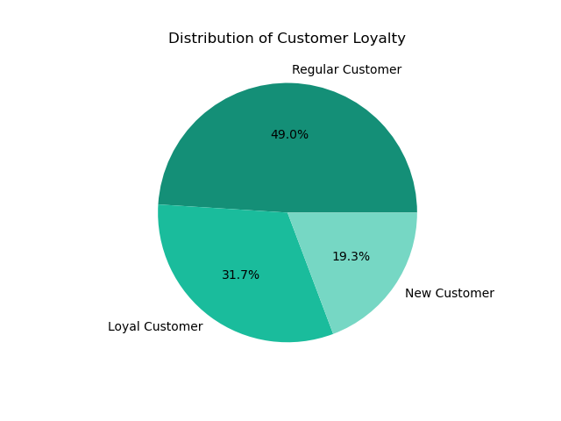
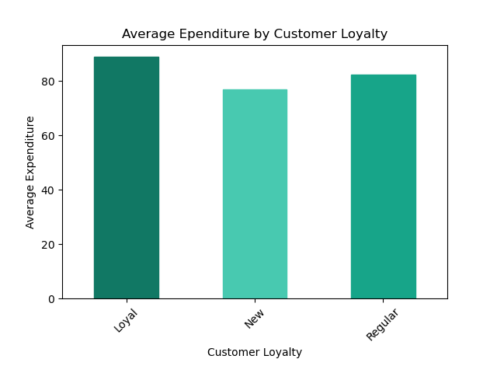

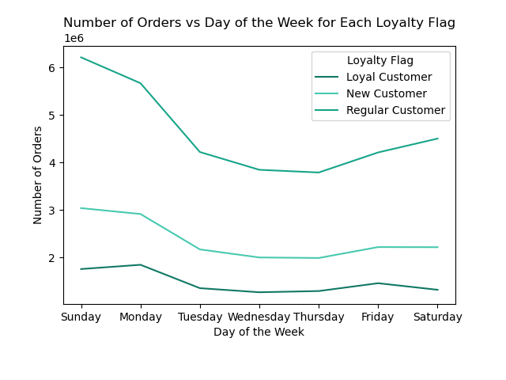
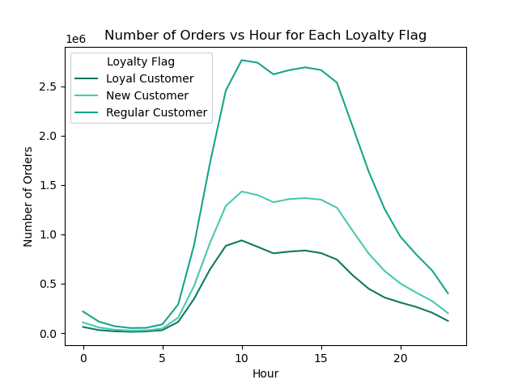

Recommendation: Since loyal customers have the highest average expenditure, focus on retaining these customers with loyalty programs, exclusive offers, and personalized recommendations. Consider premium services or early access to new products as a token of appreciation for their loyalty. Implement strategies to convert regular customers into loyal ones through targeted promotions, incentives for frequent purchases, and engaging communication to deepen their connection with the brand. With the lowest average expenditure, the goal for new customers should be to encourage repeat purchases and transition them into regular or loyal customers through welcome offers, first-time buyer discounts, and educational content about the benefits of the platform. Since loyalty doesn't affect the day of the week or hour of the day for ordering, focus on what differentiates the segments more - like spending patterns, product preferences, and frequency of orders.

Question: Are there differences in ordering habits based on a customer’s region?

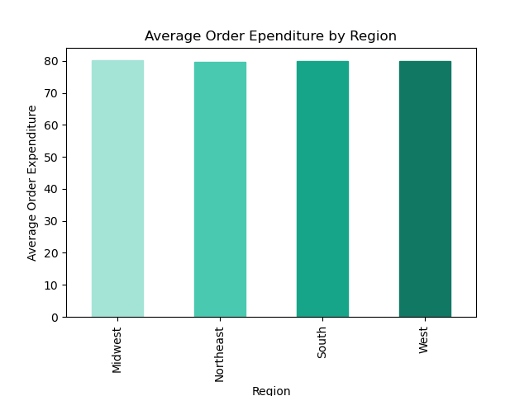
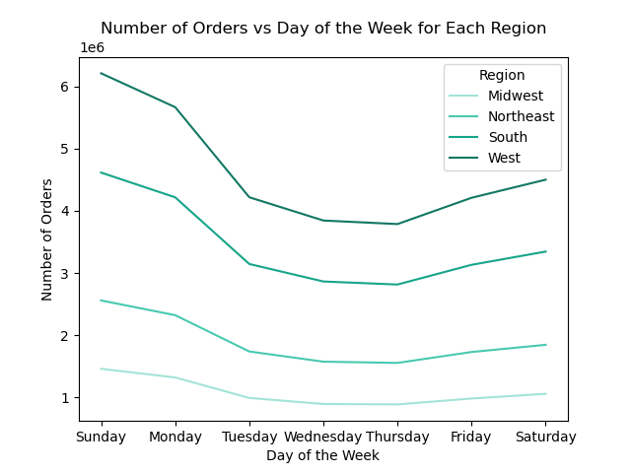

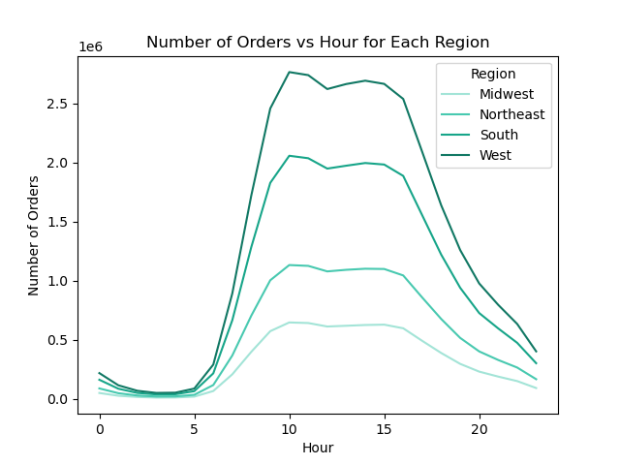

Recommendation: Given that regional differences do not significantly impact the average expenditure per order or the shopping patterns across the day of the week and hour of the day, the marketing and sales strategies can be standardized across regions. Develop a unified marketing strategy that can be applied across all regions, focusing on aspects that have been identified as consistent, such as time-sensitive promotions or general product highlights. Continuously monitor for any emerging regional trends that might affect shopping behavior in the future and be ready to adapt strategies accordingly.

Question: Is there a connection between age and family status in terms of ordering habits? What different classifications does the demographic information suggest? Age? Income? Certain types of goods? Family status?

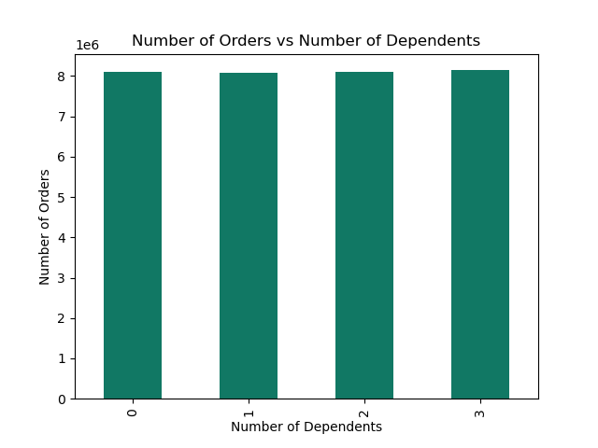
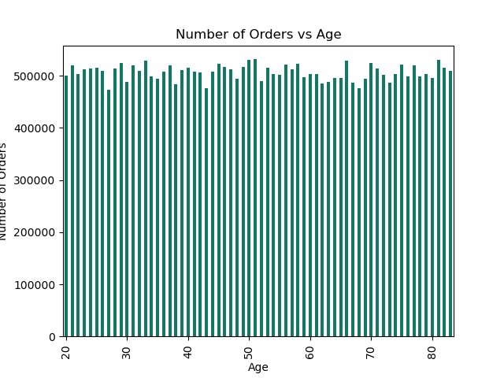

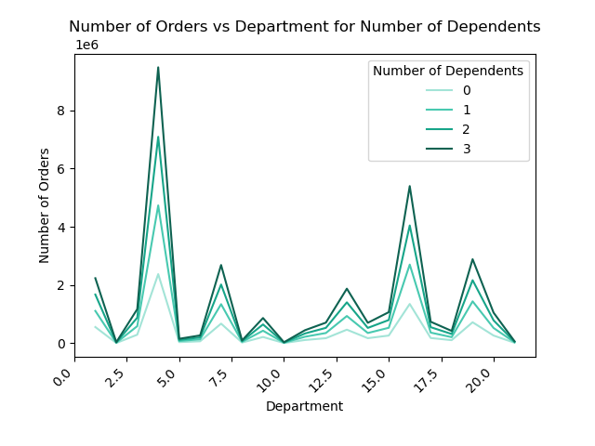
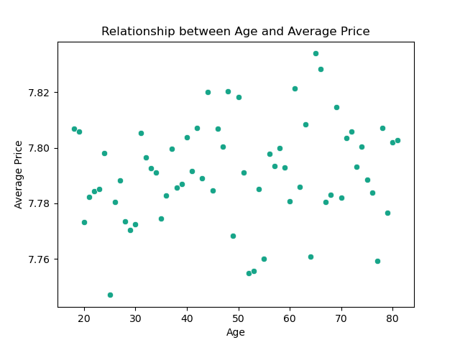

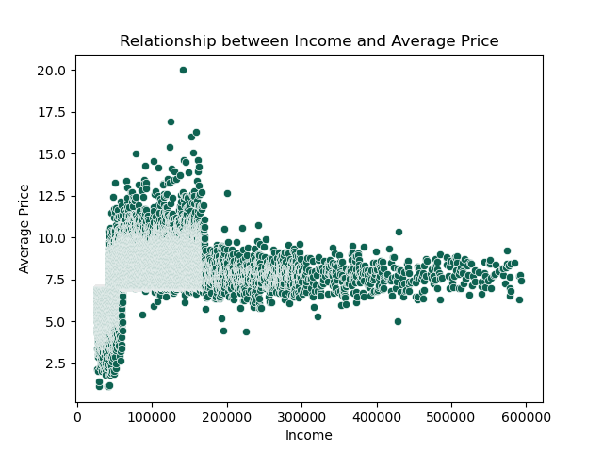
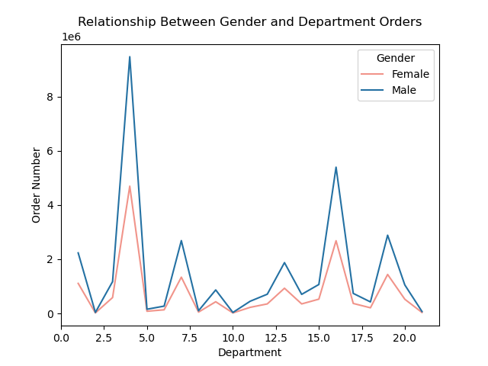

Recommendation: Since income affects the average price spent per item, segment customers based on their income levels. Tailor marketing and promotional strategies to match these segments. For instance, market more premium, higher-priced items to the mid to high-income brackets, and more budget-friendly options to the lower-income groups. Ensure that marketing campaigns are inclusive and resonate with a broad demographic, considering that age, family status, and gender do not significantly influence shopping patterns.

Question: What differences can you find in ordering habits of different customer profiles? Consider the price of orders, the frequency of orders, the products customers are ordering, and anything else you can think of.

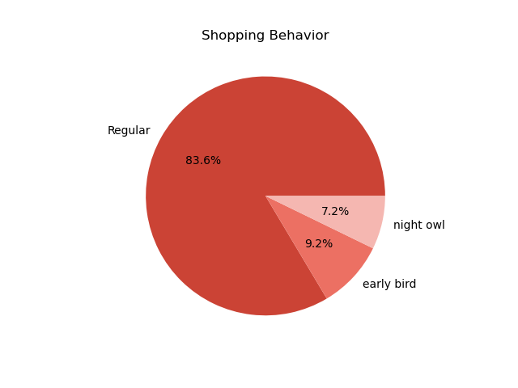
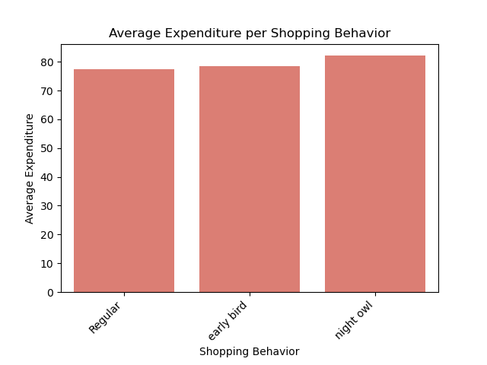

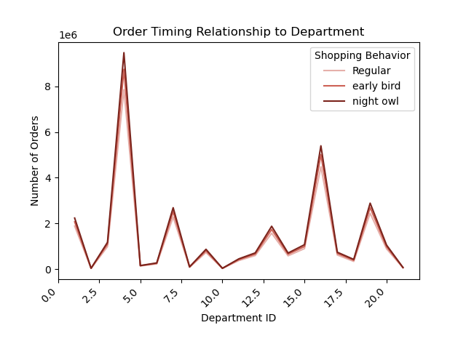
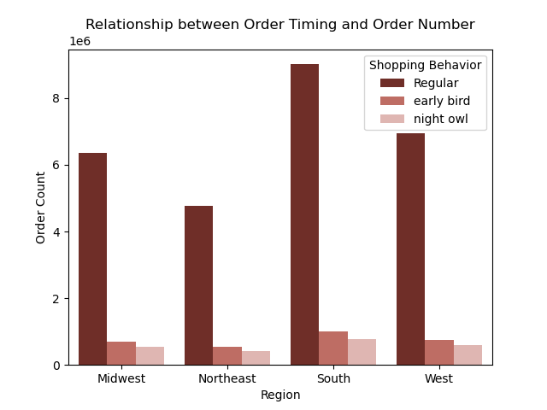

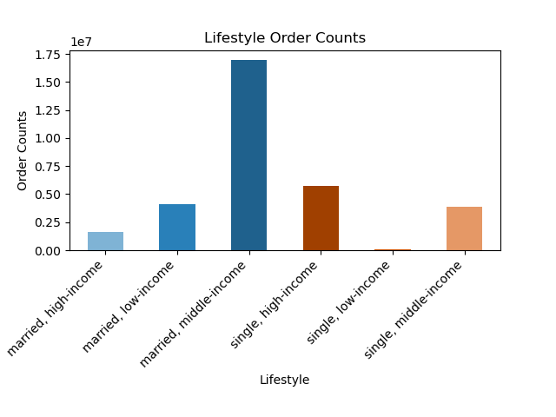
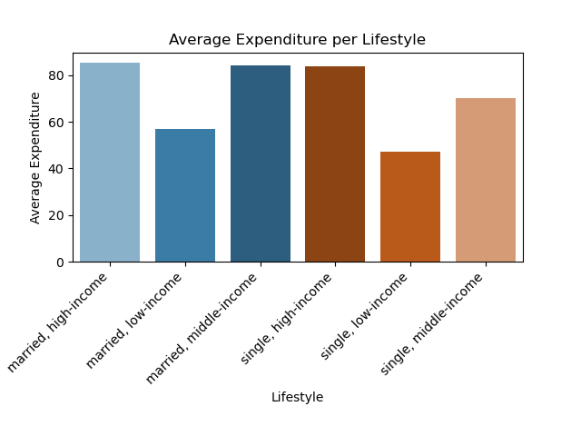

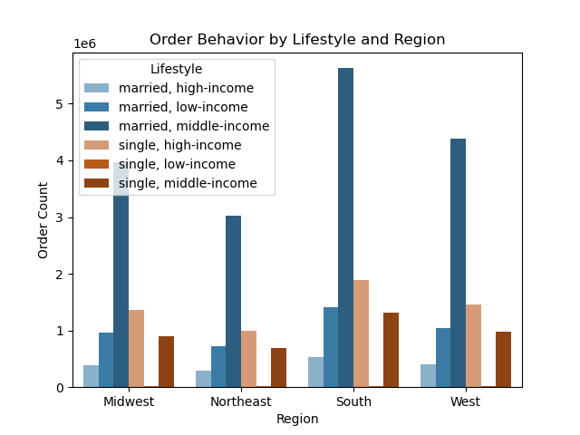

Recommendation: Since 'Night Owls' spend the most per order, albeit slightly more, consider targeted marketing campaigns during late hours. These could include special promotions or limited-time offers to encourage higher spending.
High- and middle-income buyers spent more per order on average than low-income buyers regardless of marital statuse. Provide exclusive deals or loyalty rewards for the higher spending groups to retain and encourage their high spending habits. For low-income buyers, focus on budget-friendly and value-for-money products. For married, middle-income customers who order the most, highlight premium and family-oriented products.
Since the distribution of order timing and lifestyle categories is consistent across regions, implement a universal marketing strategy that can be applied broadly, while still allowing room for local customization if needed.

